Game Summary
Legend:
Bonus Game1 - Boost Diamond Bonus Game
Bonus Game2 - Collect Club Bonus Game
Bonus Game3 - Multi Spade Bonus Game
Bonus Game4 - Twin Heart Bonus Game
Fireball Feature - Boost Diamond
Collect Feature - Collect Club
Multiplier - Multi Spade
MIrror - Twin Heart
QH - Cash Symbol
Game Concept |  |  |  |  |  |  |  |  |  |  |  |  | Payouts in credits
Mechanics |  |  | Variant | Module ID |  |  |  |  |  |  |  |  | Bet multiplier | 10 | Lines | 40
40 Lines Left - Right |  |  | V94 | 102571 |  |  |  | Paytable |  |  |  |  | Bet (cents) | 2500
Highest pay per line |  |  |  |  |  |  |  | Pattern | 3Hit | 4Hit | 5Hit |  | Pattern | 3Hit | 4Hit | 5Hit
4x5 Slot Grid |  |  |  |  |  |  |  | H1 | 20 | 80 | 400 |  | H1 | 1250 | 5000 | 25000
$$$ QH wins |  |  |  |  |  |  |  | H2 | 16 | 60 | 200 |  | H2 | 1000 | 3750 | 12500
4 Different Lock it Link bonus game |  |  |  |  |  |  |  | H3 | 12 | 40 | 120 |  | H3 | 750 | 2500 | 7500
Minimum bet 0.10 |  |  |  |  |  |  |  | H4 | 8 | 28 | 80 |  | H4 | 500 | 1750 | 5000
 |  |  |  |  |  |  |  | H5 | 8 | 28 | 80 |  | H5 | 500 | 1750 | 5000
Symbols |  |  |  |  |  |  |  | L1 | 8 | 16 | 60 |  | L1 | 500 | 1000 | 3750
Character Symbols - H1, H2, H3, H4, H5 |  |  |  |  |  |  |  | L2 | 8 | 16 | 60 |  | L2 | 500 | 1000 | 3750
Card Symbols - L1, L2, L3, L4 |  |  |  |  |  |  |  | L3 | 4 | 12 | 40 |  | L3 | 250 | 750 | 2500
rn1 - turns to any symbol except QH and Collect symbols |  |  |  |  |  |  |  | L4 | 4 | 12 | 40 |  | L4 | 250 | 750 | 2500
Wild - "W" replaces any symbol except QH and Collect symbols |  |  |  |  |  |  |  | W | 40 | 200 | 1000 |  | W | 2500 | 12500 | 62500 | ← Max symbol payout
QH - each of these symbol turns to a random win value (0.5x, 2x, 3x, 4x, up to 50x). Fills the cup and can trigger Bonus Game
C - appears on BaseB and BaseC on Reel1 and Reel5 and triggers immediate win for any QHs appearing on Reels
 |  |  |  |  |  |  |  | RTP Breakdown (Theoretical)
Base Collect Feature |  |  |  |  |  |  |  |  | RTP | Hit Rate | SD | Hit chance | 1 in X spins | Average Win (times bet)
Collect symbol "C" appearing on reel1 and reel5 will award multiplier win on any QHs appearing on the Reels |  |  |  |  |  |  |  | Base Payline: | 37.004% | 19.192% | 3.23 |  | 5
Each QHs will generate random value from 0.5x to 50x the totalbet |  |  |  |  |  |  |  | Base Collect: | 33.600% | 4.566% |  |  | 22
The QHs have Four different types and can trigger 4 different types of Bonus game |  |  |  |  |  |  |  | Bonus Game1: | 5.556% |  |  | 0.1935% | 517 | 28.72
 | Note: | Only 1 Bonus game can be trigger per paid spin with the ff. order of priority Bonus1, Bonus2, Bonus3, Bonus4 |  |  |  |  |  | Bonus Game2: | 5.577% |  |  | 0.1799% | 556 | 31.00
 |  |  |  |  |  |  |  | Bonus Game3: | 5.688% |  |  | 0.1735% | 576 | 32.78
Jackpot Collect Feature |  |  |  |  |  |  |  | Bonus Game4: | 5.707% |  |  | 0.167% | 598 | 34.12
Everytime BaseA is selected there is a chance a subscript is attached on a normal symbol or Wild symbol |  |  |  |  |  |  |  | Jackpots: | 1.304% |  |  | 0.043% | 2,335 | 30.45
This subscript will add values to any of the Four jackpots |  |  |  |  |  |  |  | Full Game: | 94.44% | 24.26% | 5.68 | 0.71% | 140
During any of the 4 bonus game, a Jackpot Token can be attached on a QH symbol but not on Maximizer nor any of the 4 Bonus Feature symbol
This token will fill one of the four Jackpot Meter |  |  |  |  |  |  |  | RTP Strategies
Once a meter is fllled, Jackpot will then be awarded and resets back to its starting value after the Bonus session. |  |  |  |  |  |  |  | Strategy/Variant | RTP | Hit Rate | Variance | Standard Deviation | Volatility Index at a 95% Level of Confidence | Volatility Category
Each Jackpot type can only be awarded one time per bonus session
 | Type | Increment Value | Min Jackpot Win | Max Jackpot Win | No. of Tokens Required |  |  | RandomBet | 94.44% | 24.26% | 32.23 | 5.68 | 11.13 | Medium | https://gamesglobal.atlassian.net/wiki/spaces/PGM/pages/274680477/Maths+Terms+FAQ#MathsTermsFAQ-WhatisVolatility?
 | Mini | 0.5 | 10 | 20 | 2 |  |  | MaxBet | 94.44% | 24.26% | 32.23 | 5.68 | 11.13 | Medium | A Volatility less than 10 is considered Low, between 10 and 20 is considered Medium and above 20 is considered High.
 | Minor | 2 | 30 | 50 | 3
 | Major | 5 | 250 | 500 | 4 |  |  | Max Win / Max Odds
 | Grand | 10 | 5000 | 10000 | 5 |  |  | Max Win | 10,000 | x totalbet
 |  |  |  |  |  |  |  | Max Win Chance | 0.0000060% | or 1 in | 16,629,479
 | Note: | In Base game, if a certain jackpot type reaches its maximum value then the increment will randomly choose other jackpot type |  |  |  |  |  | Max Odds | 16,629,479
 |  |  |  |  |  |  |  | Max Exposure | 25,000,000 | 250,000.00 | credits

Bonus Game1 - w Fireball Feature |  |  |  |  |  |  |  | Free Game Statistics
Played on two 4x5 slot grid |  |  |  |  |  |  |  | Probability of Getting a Win w/in X Spins | 5 | 10 | 20 | 50 | 100
Each Slot Grid are played independently |  |  |  |  |  |  |  | Any Win: | 75.079% | 93.790% | 99.614% | 100.000% | 100.000%
Award 3spins that resets on every hit (From QH, Maximizer or Fireball) |  |  |  |  |  |  |  | Greater Than 5x in Base Game: | 49.157% | 59.796% | 70.794% | 85.358% | 94.243%
Each of the position spins independently and can award "QH", "Maximizer, "Fireball" or "blank" |  |  |  |  |  |  |  | Base Collect Win: | 20.839% | 37.335% | 60.731% | 90.337% | 99.066%
"QH" and Fireball sticks while Maximizer doesn't and can only appear one time per bonus session |  |  |  |  |  |  |  | Bonus Game1: | 0.964% | 1.918% | 3.799% | 9.228% | 17.605%
Maximizer will increase all the four Jackpot values for only that session |  |  |  |  |  |  |  | Bonus Game2: | 0.896% | 1.784% | 3.537% | 8.609% | 16.477%
Jackpot token can only be attached to a QH symbol but can only appear one time per spin |  |  |  |  |  |  |  | Bonus Game3: | 0.865% | 1.722% | 3.414% | 8.317% | 15.943%
Fireball QH sticks and increases value of 4 other QHs. It then transform itself to a normal QH. |  |  |  |  |  |  |  | Bonus Game4: | 0.834% | 1.660% | 3.293% | 8.029% | 15.414%
Fireball can appear up to two times per spin (One per Slot Grid) and can appear multiple times per Bonus session |  |  |  |  |  |  |  | Mini: | 0.177% | 0.353% | 0.705% | 1.752% | 3.474%
 | Note: |  |  |  |  |  |  | Midi: | 0.036% | 0.071% | 0.142% | 0.355% | 0.708%
 | Maximizer feature cannot appear at the same time on the same Slot Grid with Fireball Feature |  |  |  |  |  |  | Maxi: | 0.002% | 0.004% | 0.007% | 0.019% | 0.037%
 | Fireball feature cannot be trigger if there is no QH on its Slot Grid |  |  |  |  |  |  | Grand: | 0.000% | 0.000% | 0.000% | 0.000% | 0.001%

Bonus Game2 - w Collect Feature |  |  |  |  |  |  |  | Bet settings
Similar to Bonus Game1 but Fireball feature is replaced by Collect symbol |  |  |  |  |  |  |  |  | General | Greece
Collect symbol sticks and can appear up to two times per spin (One per Slot Grid) and can appear multiple times per Bonus session |  |  |  |  |  |  |  | Bet multiplier | 10 | 10
Once appeared it will collect all QH values from its Slot Grid |  |  |  |  |  |  |  | Lines | 40 | 40
 | Note: |  |  |  |  |  |  | Max symbol win (credits) | 625.00 | 312.50
 | Maximizer feature cannot appear at the same time on the same Slot Grid with Collect Feature |  |  |  |  |  |  | Max exposure (credits) | 250,000.00 | 125,000.00
 | Collect feature cannot be trigger if there is no QH on its Slot Grid
 |  |  |  |  |  |  |  | Bet Model | 10 | 10
Bonus Game3 - w Multiplier
Similar to Bonus Game1 and Bonus Game2 but Fireball and Collect feature is replaced by Multiplier symbol
Multiplier can appear up to two times per spin (One per Slot Grid) and can appear multiple times per Bonus session |  |  |  |  |  |  |  | Default coin size | 10 | 5
Multiplier symbol can be 2x, 3x, 4x or 5x and will multiply immediately all QH symbols on its corresponding Slot grid |  |  |  |  |  |  |  | Default num coins | 20 | 40
Multiplier symbol does not stick |  |  |  |  |  |  |  | Max num coins | 250 | 250
 | Note: |  |  |  |  |  |  | Min num coins | 2 | 2
 | Maximizer feature cannot appear at the same time on the same Slot Grid with Multiplier Feature
 | Multiplier feature cannot be trigger if there is no QH on its Slot Grid |  |  |  |  |  |  | Max coins per line | 25 | 25
 |  |  |  |  |  |  |  | Max bet value | 2500 | 1250
Bonus Game4 - w Mirror |  |  |  |  |  |  |  | Min bet value | 2 | 2
Similar to Bonus Game1, Bonus Game2 and Bonus Game3 but Fireball, Collect and Multiplier feature is replaced by Mirror symbol |  |  |  |  |  |  |  | Default bet value | 200 | 200
Mirror symbol can appear up to Three times per spin (Either on Slot Grid 1 or 2) and can appear multiple times per Bonus session
Mirror symbol sticks and generates QH values and it mirrors its value into the other Slot Grid |  |  |  |  |  |  |  | Coin sizes | 1,2,5,10 | 1,2,5
 | Note:
 | Maximizer feature cannot appear at the same time with Mirror Feature
 | Mirror Feature can be trigger even the Slot Grid is empty
 | If the Slot Grid position that is being mirrored is empty then its spin counter will reset but if it is not empty then it wont reset
 | If the mirrored position contains already QH , then mirrored value will just be added
 | Mirrored value can be added even the other slot grid is already finish and it wont reset the counter of the finished slot grid.

 |  | Example1
 |  | Slot Grid1 |  |  |  | Slot Grid2

 |  | 3x |  | Mirror - 20x

 |  | 5x

 |  | Slot Grid1 |  |  |  | Slot Grid2

 |  | 3x |  | 20x |  |  | Mirrored 20x

 |  | 5x
 |  |  |  |  |  |  | Note: Slot Grid2 counter resets because the position was empty

 |  | Example2
 |  | Slot Grid1 |  |  |  | Slot Grid2

 |  | 3x |  | Mirror - 20x |  |  | 10x

 |  | 5x

 |  | Slot Grid1 |  |  |  | Slot Grid2

 |  | 3x |  | 20x |  |  | Mirrored - 20x + 10x

 |  | 5x
 |  |  |  |  |  |  | Note: Slot Grid2 counter does not reset because the position wasn't empty

 |  | Example3
 |  | Slot Grid1 |  |  |  | Slot Grid2

 |  | 3x |  | Mirror - 20x |  |  | Mirror - 15x

 |  | 5x

 |  | Slot Grid1 |  |  |  | Slot Grid2

 |  | 3x |  | Mirrored - 20x + 15x |  |  | Mirrored - 20x + 15x

 |  | 5x

Market Summary
Market win limit disclaimer: Czech Republic, Greece.
During this game you may reach the maximum winnings allowed.
The maximum winnings cap complies with regulatory requirements in your region.
 |  | 94 Variant | 92 Variant
 | RTP | 94.44% | 92.43%
 | Variance | 32.23 | 29.34
 | Hit Rate % | 24.26% | 24.23%
 | Standard deviation | 5.68 | 5.42
 | Volatility Index Based on a 95% Level of Confidence | 11.13 | 10.62

USA | State: | New Jersey
 |  | 94 | 92
 | Highest Advertised Win Odds (1 in X) | 1 in 16629479 | 1 in 18133545
 | How is it achieved? | Winning Grand Jackpot by filling Grand Jackpot Meter in any of the 4 Bonus Games

 | NB: | The highest pay in the prize-first distribution or the highest paying award is to be used as the Top Award for the game

 | State: | Michigan
 |  | 94 | 92
 | Highest Advertised Win Odds (1 in X) | 1 in 16629479 | 1 in 18133545
 | Highest Advertised Win Odds (X : 1) | 16629478 : 1 | 18133544 : 1
 | How is it achieved? | Winning Grand Jackpot by filling Grand Jackpot Meter in any of the 4 Bonus Games

 | NB: | The highest pay in the prize-first distribution or the highest paying award is to be used as the Top Award for the game

US Connecticut market disclaimer:
This document covers V94 game variant and all distribution platforms. All game wording and related media referencing the word “free” or its variations have been updated to comply with Connecticut regulatory requirements. The following terms will not appear in any player-facing content: “free,” “sweep,” “no-cost,” and “gift.”
 | State: | Connecticut
 |  | 94 | 92
 | Highest Advertised Win Odds (1 in X) | 1 in 16629479 | 1 in 18133545
 | Highest Advertised Win Odds (X : 1) | 16629478 : 1 | 18133544 : 1
 | How is it achieved? | Winning Grand Jackpot by filling Grand Jackpot Meter in any of the 4 Bonus Games

 | NB: | The highest pay in the prize-first distribution or the highest paying award is to be used as the Top Award for the game

 | State: | Pennsylvania
 |  | 94 | 92
 | Highest Advertised Win Odds (1 in X) | 1 in 16629479 | 1 in 18133545
 | How is it achieved? | Winning Grand Jackpot by filling Grand Jackpot Meter in any of the 4 Bonus Games

 | Worst Odds (1 in X) | 1 in 16629479 | 1 in 18133545
 | How is it achieved? | Winning Grand Jackpot by filling Grand Jackpot Meter in any of the 4 Bonus Games

 | NB: | The smallest odds from ALL unique awards.

 | Win-Caps | 94 | 92
 | Does this game have a Win-Cap? | NO
 | Possible Answers:
 | Yes
 | Odds (1 in X) | N/A | N/A
 | %RTP Shaved | N/A | N/A
 | No
 | How is this achieved?

 | Game Math Derivation
 | Is the Game Math Derived from Simulation? | YES - PARTIAL
 | Possible Answers:
 | Yes - Full | SIMULATION PROGRAM PROVIDED
 | Yes - Partial
 | No

Flow_Chart
FlowChart
 |  |  |  |  |  |  |  | Bonus Game
Player Spins
Bonus Game

BaseA
BaseB
BaseC
Game Starts on Two 4x5 Grid Size.
counter = 3

Selects random symbol value for rn1
Spin stops and Evaluate Paylines

counter = counter - 1
Spin stops and Evaluate Paylines
"Collect" and "QH" symbol on reel?
Each QH generate multiplier value independently and awarded to player x N no. of Collect
 |  |  |  | Yes

 |  |  | No

If Bonus1 - Fireball
Increase value of 4 other QHs on its Slot grid and generates value for itself and sticks

Reel spins
Adds increment to Selected Jackpot
Subscript symbol on Reel?
"QH" symbol on the reel?
Cup filled?
Coin goes into the cup
Bonus game
Increases Jackpot value to Maximum
 | Yes
 |  |  |  | Yes |  | Yes
If Bonus2 - Collect
Collects all QH values on its Slot Grid and sticks
counter resets to 3
Feature hit?
counter resets to 3
 |  |  |  |  |  |  |  |  |  |  |  |  |  |  | No
 |  | No
 |  |  | No |  |  |  |  |  |  |  | Yes
Symbol hit?
Maximizer Symbol on Reel?
QH Symbol?
 |  |  |  |  | No |  |  |  |  | Yes |  |  |  | No |  | Yes
Game Ends
Multiplies values of all existing QHs on its Slot grid. It does not stick
If Bonus3 - Multiplier
 |  |  |  |  |  |  |  |  |  |  |  | No

Game Ends
 |  |  |  |  |  |  |  | No |  |  |  |  | Yes

Mirror its value to the other Slot Grid
If Bonus4 - Mirror
Jackpot token on New QH Symbol?
 |  |  |  |  |  |  |  |  |  |  |  |  |  | No

Are there Spins Left?
 |  |  |  |  |  |  | Yes
 |  |  |  |  |  |  |  |  |  |  |  |  | Yes

Jackpot Meter filled?
Awards Jackpot Win
 |  |  |  |  |  |  |  |  | No |  |  |  |  | No

Game Ends and Awards QH win
 |  |  |  |  |  |  |  |  |  |  |  |  |  | Yes

Heat_map_graph_FG
 | Full Game
 | Win Range(Lower) | Win Range(Upper) | HF | HF 100 | RTP Distribution
HF100
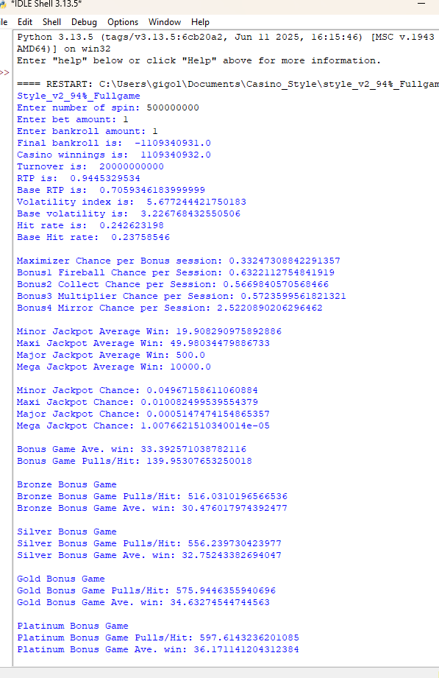
0-1 | 0 | 1 | 0.110923576 | 45.718% | 4.42%
1-2 | 1 | 2 | 0.040385972 | 16.646% | 5.44%
2-3 | 2 | 3 | 0.02134898 | 8.799% | 5.01%
3-4 | 3 | 4 | 0.012985424 | 5.352% | 4.35%
4-5 | 4 | 5 | 0.010085224 | 4.157% | 4.34%
5-6 | 5 | 6 | 0.006886276 | 2.838% | 3.66%
6-7 | 6 | 7 | 0.006139342 | 2.530% | 3.86%
7-8 | 7 | 8 | 0.004363452 | 1.798% | 3.19%
8-9 | 8 | 9 | 0.003849578 | 1.587% | 3.18%
9-10 | 9 | 10 | 0.00307293 | 1.267% | 2.86%
10-15 | 10 | 15 | 0.00937572 | 3.864% | 11.19%
15-20 | 15 | 20 | 0.004154942 | 1.713% | 7.06%
20-25 | 20 | 25 | 2.42E-03 | 0.998% | 5.33%
RTP Distribution
25-40 | 25 | 40 | 0.003607768 | 1.487% | 11.21%
40-50 | 40 | 50 | 1.16E-03 | 0.477% | 5.11%
50-75 | 50 | 75 | 1.27E-03 | 0.523% | 7.54%
75-100 | 75 | 100 | 3.60E-04 | 0.148% | 3.06E-02
100-150 | 100 | 150 | 1.75E-04 | 0.072% | 2.05E-02
150-200 | 150 | 200 | 3.36E-05 | 0.014% | 5.68E-03
200-300 | 200 | 300 | 1.82E-05 | 0.007% | 4.21E-03
300-400 | 300 | 400 | 4.12E-06 | 0.002% | 1.39E-03
400-500 | 400 | 500 | 1.63E-06 | 0.001% | 7.11E-04
500-20000 | 500 | 20000 | 5.49E-06 | 0.002% | 4.02E-03
 |  | Total: | 0.242623198 | 100.000% | 94.45%

HF100
 | Base Game
 | Win Range(Lower) | Win Range(Upper) | HF | HF 100 | RTP Distribution

0-1 | 0 | 1 | 0.111858458 | 47.081% | 4.44%
1-2 | 1 | 2 | 0.04044112 | 17.022% | 5.45%
2-3 | 2 | 3 | 0.021390184 | 9.003% | 5.02%
3-4 | 3 | 4 | 0.0130284 | 5.484% | 4.36%
4-5 | 4 | 5 | 0.010120296 | 4.260% | 4.35%
5-6 | 5 | 6 | 0.006905198 | 2.906% | 3.66%
6-7 | 6 | 7 | 0.006139068 | 2.584% | 3.86%
7-8 | 7 | 8 | 0.004343024 | 1.828% | 3.17%
8-9 | 8 | 9 | 0.00380929 | 1.603% | 3.15%
9-10 | 9 | 10 | 0.003015226 | 1.269% | 2.80%
10-15 | 10 | 15 | 0.008884876 | 3.740% | 10.57%
15-20 | 15 | 20 | 0.003463024 | 1.458% | 5.86%
20-25 | 20 | 25 | 0.00167619 | 0.706% | 3.68%
RTP Distribution
25-40 | 25 | 40 | 0.001722092 | 0.725% | 5.21%
40-50 | 40 | 50 | 3.35E-04 | 0.141% | 1.46%
50-75 | 50 | 75 | 3.12E-04 | 0.131% | 1.82%
75-100 | 75 | 100 | 6.94E-05 | 0.029% | 0.59%
100-150 | 100 | 150 | 4.86E-05 | 0.020% | 0.57%
150-200 | 150 | 200 | 1.20E-05 | 0.005% | 2.03E-03
200-300 | 200 | 300 | 8.44E-06 | 0.004% | 1.91E-03
300-400 | 300 | 400 | 1.90E-06 | 0.001% | 6.38E-04
400-500 | 400 | 500 | 8.28E-07 | 0.000% | 3.54E-04
500-20000 | 500 | 20000 | 8.56E-07 | 0.000% | 5.86E-04
 |  | Total: | 0.23758546 | 100.000% | 70.59%

Heat_map_graph_Bonus1
 | Bonus Game1
 | Win Range(Lower) | Win Range(Upper) | HF | HF 100 | RTP Distribution
HF100
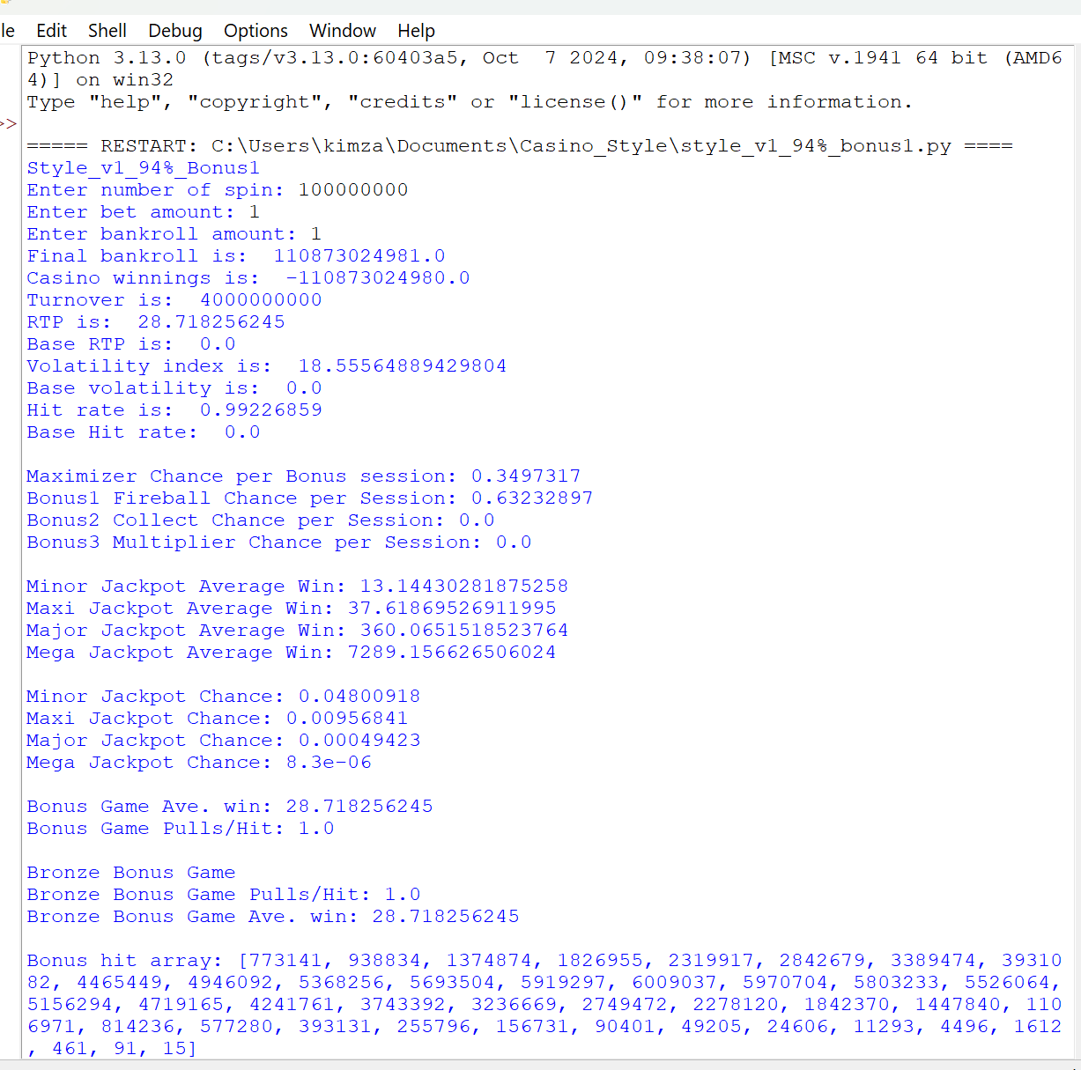
0-1 | 0 | 1 | 0.00278834 | 0.281% | 0.00139417
1-2 | 1 | 2 | 0.00799544 | 0.806% | 0.01000464
2-3 | 2 | 3 | 0.00949709 | 0.957% | 0.021449515
3-4 | 3 | 4 | 0.01102776 | 1.111% | 0.03593737
4-5 | 4 | 5 | 0.0124543 | 1.255% | 0.05300155
5-6 | 5 | 6 | 0.01381014 | 1.392% | 0.072560625
6-7 | 6 | 7 | 1.52E-02 | 1.530% | 0.094936165
7-8 | 7 | 8 | 1.64E-02 | 1.655% | 0.11913622
8-9 | 8 | 9 | 1.77E-02 | 1.781% | 0.1458479
9-10 | 9 | 10 | 1.88E-02 | 1.894% | 0.17392963
10-15 | 10 | 15 | 0.10794444 | 10.879% | 1.33045452
15-20 | 15 | 20 | 0.12077142 | 12.171% | 2.08554968
20-25 | 20 | 25 | 1.20E-01 | 12.122% | 2.673707345
RTP Distribution
25-40 | 25 | 40 | 0.28221631 | 28.442% | 8.919594685
40-50 | 40 | 50 | 1.08E-01 | 10.899% | 4.79208059
50-75 | 50 | 75 | 1.04E-01 | 10.493% | 6.1538009
75-100 | 75 | 100 | 1.97E-02 | 1.983% | 1.64693245
100-150 | 100 | 150 | 3.41E-03 | 0.344% | 0.379429135
150-200 | 150 | 200 | 5.24E-05 | 0.005% | 0.008406585
200-300 | 200 | 300 | 4.90E-07 | 0.000% | 1.03E-04
300-400 | 300 | 400 | 0.00E+00 | 0.000% | 0.00E+00
400-500 | 400 | 500 | 0.00E+00 | 0.000% | 0
500-20000 | 500 | 20000 | 0.00E+00 | 0.000% | 0
 |  | Total: | 0.99226859 | 100.000% | 28.718256245

Heat_map_graph_Bonus2
 | Bonus Game2
 | Win Range(Lower) | Win Range(Upper) | HF | HF 100 | RTP Distribution
HF100
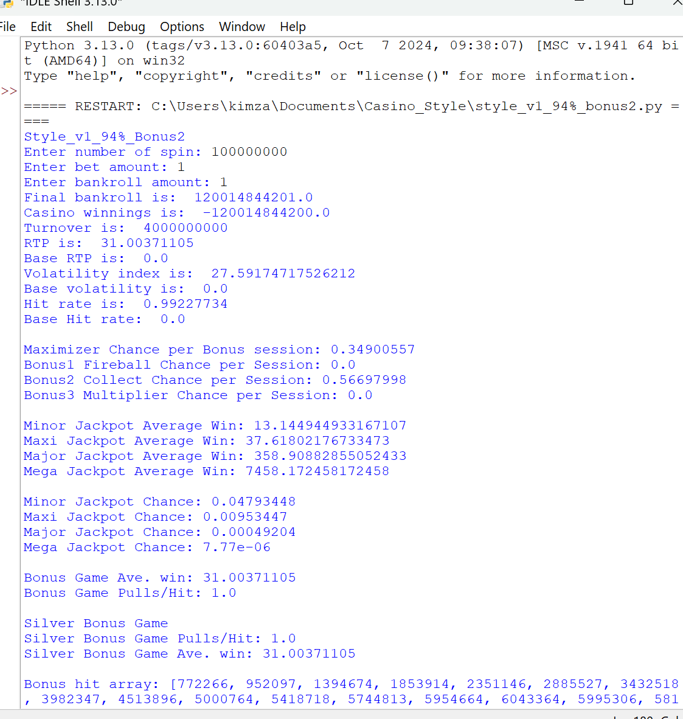
0-1 | 0 | 1 | 0.0028318 | 0.285% | 0.0014159
1-2 | 1 | 2 | 0.0083203 | 0.839% | 0.010387155
2-3 | 2 | 3 | 0.01003089 | 1.011% | 0.022608755
3-4 | 3 | 4 | 0.01165378 | 1.174% | 0.03792784
4-5 | 4 | 5 | 0.01323469 | 1.334% | 0.05627431
5-6 | 5 | 6 | 0.014763 | 1.488% | 0.077529695
6-7 | 6 | 7 | 1.63E-02 | 1.641% | 0.10176278
7-8 | 7 | 8 | 1.77E-02 | 1.784% | 0.12834784
8-9 | 8 | 9 | 1.90E-02 | 1.919% | 0.157119375
9-10 | 9 | 10 | 2.03E-02 | 2.043% | 0.18756616
10-15 | 10 | 15 | 0.11531249 | 11.621% | 1.419857195
15-20 | 15 | 20 | 0.12451413 | 12.548% | 2.147512315
20-25 | 20 | 25 | 1.18E-01 | 11.860% | 2.61282652
RTP Distribution
25-40 | 25 | 40 | 0.25274687 | 25.471% | 7.95212174
40-50 | 40 | 50 | 9.28E-02 | 9.348% | 4.11121045
50-75 | 50 | 75 | 1.01E-01 | 10.183% | 6.03640483
75-100 | 75 | 100 | 3.13E-02 | 3.158% | 2.663782725
100-150 | 100 | 150 | 1.66E-02 | 1.672% | 1.9613734
150-200 | 150 | 200 | 3.79E-03 | 0.382% | 0.64218054
200-300 | 200 | 300 | 1.77E-03 | 0.179% | 0.419335155
300-400 | 300 | 400 | 3.73E-04 | 0.038% | 1.26E-01
400-500 | 400 | 500 | 1.24E-04 | 0.012% | 0.054768115
500-20000 | 500 | 20000 | 1.09E-04 | 0.011% | 0.07517785
 |  | Total: | 0.99227734 | 100.000% | 31.00371105

Heat_map_graph_Bonus3
 | Bonus Game3
 | Win Range(Lower) | Win Range(Upper) | HF | HF 100 | RTP Distribution
HF100
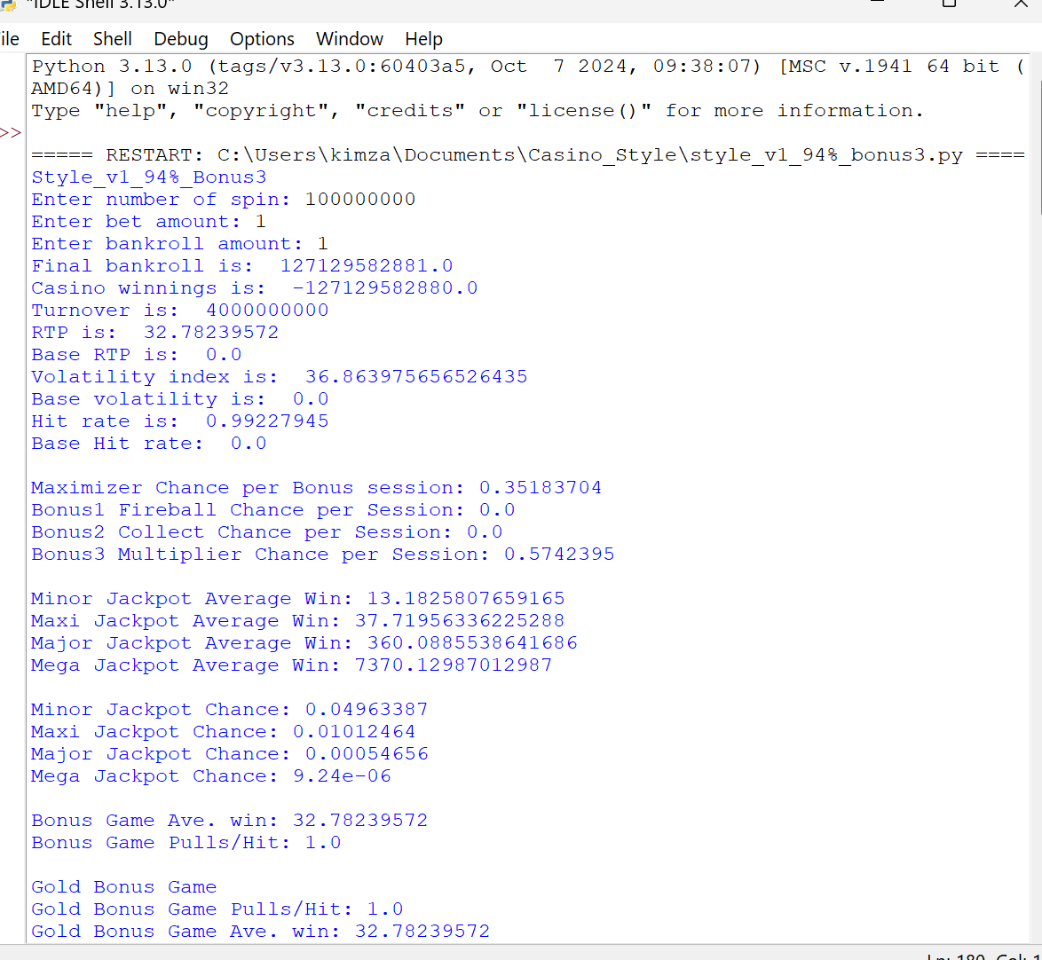
0-1 | 0 | 1 | 0.00282053 | 0.284% | 0.001410265
1-2 | 1 | 2 | 0.00828899 | 0.835% | 0.010356445
2-3 | 2 | 3 | 0.00995549 | 1.003% | 0.0224513
3-4 | 3 | 4 | 0.01156107 | 1.165% | 0.037635815
4-5 | 4 | 5 | 0.01309596 | 1.320% | 0.055693385
5-6 | 5 | 6 | 0.01460082 | 1.471% | 0.076687035
6-7 | 6 | 7 | 1.61E-02 | 1.619% | 0.100428525
7-8 | 7 | 8 | 1.74E-02 | 1.755% | 0.12624936
8-9 | 8 | 9 | 1.87E-02 | 1.886% | 0.15443522
9-10 | 9 | 10 | 1.99E-02 | 2.006% | 0.184128815
10-15 | 10 | 15 | 0.11286131 | 11.374% | 1.389569465
15-20 | 15 | 20 | 0.12155293 | 12.250% | 2.09645169
20-25 | 20 | 25 | 1.15E-01 | 11.574% | 2.54989931
RTP Distribution
25-40 | 25 | 40 | 0.2477917 | 24.972% | 7.80075068
40-50 | 40 | 50 | 9.25E-02 | 9.326% | 4.103302545
50-75 | 50 | 75 | 1.05E-01 | 10.540% | 6.26157354
75-100 | 75 | 100 | 3.49E-02 | 3.522% | 2.976619055
100-150 | 100 | 150 | 2.06E-02 | 2.076% | 2.446738425
150-200 | 150 | 200 | 5.57E-03 | 0.561% | 0.946905715
200-300 | 200 | 300 | 3.08E-03 | 0.310% | 0.730962965
300-400 | 300 | 400 | 8.15E-04 | 0.082% | 0.27774885
400-500 | 400 | 500 | 3.12E-04 | 0.031% | 0.13816081
500-20000 | 500 | 20000 | 3.73E-04 | 0.038% | 0.294236505
 |  | Total: | 0.99227945 | 100.000% | 32.78239572

Heat_map_graph_Bonus4
 | Bonus Game4
 | Win Range(Lower) | Win Range(Upper) | HF | HF 100 | RTP Distribution
HF100
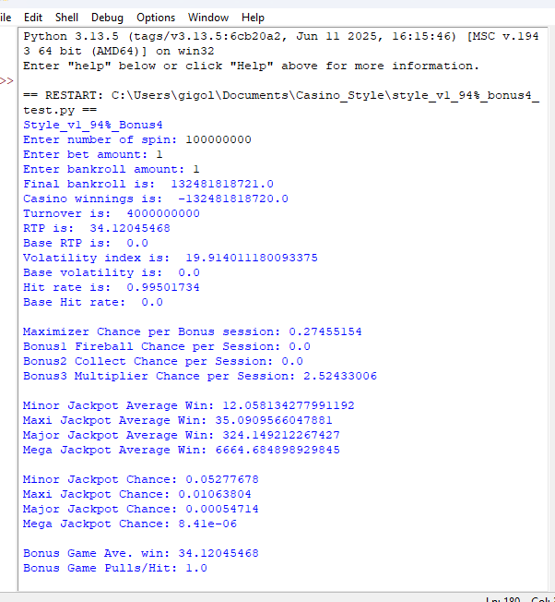
0-1 | 0 | 1 | 0.00158834 | 0.160% | 0.00079417
1-2 | 1 | 2 | 0.0045133 | 0.454% | 0.005627195
2-3 | 2 | 3 | 0.00523345 | 0.526% | 0.01180399
3-4 | 3 | 4 | 0.0059912 | 0.602% | 0.01951309
4-5 | 4 | 5 | 0.00676548 | 0.680% | 0.02878769
5-6 | 5 | 6 | 0.00761284 | 0.765% | 0.040004185
6-7 | 6 | 7 | 8.51E-03 | 0.855% | 0.05322697
7-8 | 7 | 8 | 9.44E-03 | 0.948% | 0.06846669
8-9 | 8 | 9 | 1.04E-02 | 1.045% | 0.08583655
9-10 | 9 | 10 | 1.14E-02 | 1.143% | 0.105272545
10-15 | 10 | 15 | 0.07170435 | 7.206% | 0.88841538
15-20 | 15 | 20 | 0.09400562 | 9.448% | 1.629532285
20-25 | 20 | 25 | 1.09E-01 | 10.963% | 2.431421885
RTP Distribution
25-40 | 25 | 40 | 0.32035304 | 32.196% | 10.23495375
40-50 | 40 | 50 | 1.45E-01 | 14.541% | 6.41919761
50-75 | 50 | 75 | 1.45E-01 | 14.614% | 8.60161226
75-100 | 75 | 100 | 3.01E-02 | 3.025% | 2.5306575
100-150 | 100 | 150 | 7.81E-03 | 0.785% | 0.893657265
150-200 | 150 | 200 | 4.21E-04 | 0.042% | 0.068538905
200-300 | 200 | 300 | 1.46E-05 | 0.001% | 0.00312247
300-400 | 300 | 400 | 4.00E-08 | 0.000% | 1.23E-05
400-500 | 400 | 500 | 0.00E+00 | 0.000% | 0
500-20000 | 500 | 20000 | 0.00E+00 | 0.000% | 0
 |  | Total: | 0.99501734 | 100.000% | 34.12045468

Base_Volatility_Graph
Total Bet Amount/spin: | 1 |  |  | Analysis: | Volatility index determines the overall "game feel". Standard online Slots has a Volatility Index of 4.0 - 10.0 | -75 | -750 | (210) | 5.9078452038E-07
Average Win: | -41.16350643 | RTP: | 70.60% |  | Take for example a Slot game with volatility of 1.0, it will have the same "game feel" as someone playing "Baccarat" or "Toss coin" game | -74 | -740 | (207) | 8.1496349705E-07
House Edge: | -29% | Volatility Index: | 3.23 |  | Or a Slot game w/ Volatility close to "zero", on every spin he will have the same return everytime. So even we make RTP close to 100% the game won't be good. This makes "Volatility" a critical factor in game designing | -73 | -730 | (204) | 1.1181781799E-06
Volatiltiy for n spins | 38.183891727 | No. #spins: | 140 |  |  | -72 | -720 | (202) | 1.5259759074E-06
Total Turnover: | 140.03119035 |  |  |  | The Horizontal axis is Player "Win/Loss" after "n" spins are completed. Assuming 1 unit of bet on each spin | -71 | -710 | (199) | 2.071324527E-06
 |  |  |  |  | The Vertical Axis (represented by Blue dotted line) is the % Distribution or "volume" of players after each of them completed "n" spins. We can imagine the whole area inside the curve as "Pie Chart" | -70 | -700 | (196) | 2.7964845605E-06
Note: | Red Fonts are adjustable values |  |  |  | Kindly notice the majority of players will end up at the Cell: B2 units mark which is the most expected result. %House Edge x Turnover = Ave. Win/Loss result | -69 | -690 | (193) | 3.7552643234E-06
 |  |  |  |  |  | -68 | -680 | (190) | 5.0157098327E-06
Win vs Chances Graph
(210) | 5.9078452038E-07
(207) | 8.1496349705E-07
(204) | 1.1181781799E-06
(202) | 1.5259759074E-06
(199) | 2.071324527E-06
(196) | 2.7964845605E-06
(193) | 3.7552643234E-06
(190) | 5.0157098327E-06
(188) | 6.6632806202E-06
(185) | 8.8045590556E-06
(182) | 1.1571533716E-05
(179) | 1.5126485891E-05
(176) | 1.9667491695E-05
(174) | 2.5434529689E-05
(171) | 3.2716154827E-05
(168) | 4.1856663371E-05
(165) | 5.3263630267E-05
(162) | 6.741565031E-05
(160) | 8.4870058303E-05
(157) | 0.00010627034246
(154) | 0.00013235290162
(151) | 0.00016395273321
(148) | 0.00020200757837
(146) | 0.00024755999832
(143) | 0.00030175681488
(140) | 0.00036584532539
(137) | 0.00044116570136
(134) | 0.00052913900751
(132) | 0.00063125033763
(129) | 0.00074902665992
(126) | 0.00088400909923
(123) | 0.0010377195584
(120) | 0.0012116217932
(118) | 0.0014070773032
(115) | 0.0016252966734
(112) | 0.0018672872957
(109) | 0.0021337986978
(106) | 0.0024252669937
(104) | 0.0027417602404
(101) | 0.0030829267026
(98) | 0.003447948194
(95) | 0.0038355007466
(92) | 0.0042437248582
(90) | 0.0046702074578
(87) | 0.0051119775122
(84) | 0.0055655168716
(81) | 0.0060267875144
(78) | 0.0064912758253
(76) | 0.0069540539282
(73) | 0.0074098574378
...
 |  |  |  |  |  | -67 | -670 | (188) | 6.6632806202E-06
 |  |  |  |  |  | -66 | -660 | (185) | 8.8045590556E-06
 |  |  |  |  |  | -65 | -650 | (182) | 1.1571533716E-05
 |  |  |  |  |  | -64 | -640 | (179) | 1.5126485891E-05
 |  |  |  |  |  | -63 | -630 | (176) | 1.9667491695E-05
 |  |  |  |  |  | -62 | -620 | (174) | 2.5434529689E-05
 |  |  |  |  |  | -61 | -610 | (171) | 3.2716154827E-05
 |  |  |  |  |  | -60 | -600 | (168) | 4.1856663371E-05
 |  |  |  |  |  | -59 | -590 | (165) | 5.3263630267E-05
 |  |  |  |  |  | -58 | -580 | (162) | 6.741565031E-05
 |  |  |  |  |  | -57 | -570 | (160) | 8.4870058303E-05
 |  |  |  |  |  | -56 | -560 | (157) | 0.00010627034246
 |  |  |  |  |  | -55 | -550 | (154) | 0.00013235290162
 |  |  |  |  |  | -54 | -540 | (151) | 0.00016395273321
 |  |  |  |  |  | -53 | -530 | (148) | 0.00020200757837
 |  |  |  |  |  | -52 | -520 | (146) | 0.00024755999832
 |  |  |  |  |  | -51 | -510 | (143) | 0.00030175681488
 |  |  |  |  |  | -50 | -500 | (140) | 0.00036584532539
 |  |  |  |  |  | -49 | -490 | (137) | 0.00044116570136
 |  |  |  |  |  | -48 | -480 | (134) | 0.00052913900751
 |  |  |  |  |  | -47 | -470 | (132) | 0.00063125033763
 |  |  |  |  |  | -46 | -460 | (129) | 0.00074902665992
 |  |  |  |  |  | -45 | -450 | (126) | 0.00088400909923
 |  |  |  |  |  | -44 | -440 | (123) | 0.0010377195584
 |  |  |  |  |  | -43 | -430 | (120) | 0.0012116217932
 |  |  |  |  |  | -42 | -420 | (118) | 0.0014070773032
 |  |  |  |  |  | -41 | -410 | (115) | 0.0016252966734
 |  |  |  |  |  | -40 | -400 | (112) | 0.0018672872957
 |  |  |  |  |  | -39 | -390 | (109) | 0.0021337986978
 |  |  |  |  |  | -38 | -380 | (106) | 0.0024252669937
 |  |  |  |  |  | -37 | -370 | (104) | 0.0027417602404
 |  |  |  |  |  | -36 | -360 | (101) | 0.0030829267026
 |  |  |  |  |  | -35 | -350 | (98) | 0.003447948194
 |  |  |  |  |  | -34 | -340 | (95) | 0.0038355007466
 |  |  |  |  |  | -33 | -330 | (92) | 0.0042437248582
 |  |  |  |  |  | -32 | -320 | (90) | 0.0046702074578
 |  |  |  |  |  | -31 | -310 | (87) | 0.0051119775122
 |  |  |  |  |  | -30 | -300 | (84) | 0.0055655168716
 |  |  |  |  |  | -29 | -290 | (81) | 0.0060267875144
 |  |  |  |  |  | -28 | -280 | (78) | 0.0064912758253
 |  |  |  |  |  | -27 | -270 | (76) | 0.0069540539282
 |  |  |  |  |  | -26 | -260 | (73) | 0.0074098574378
 |  |  |  |  |  | -25 | -250 | (70) | 0.0078531783005
 |  |  |  |  |  | -24 | -240 | (67) | 0.0082783707139
 |  |  |  |  |  | -23 | -230 | (64) | 0.0086797674716
 |  |  |  |  |  | -22 | -220 | (62) | 0.0090518035108
 |  |  |  |  |  | -21 | -210 | (59) | 0.0093891429821
 |  |  |  |  |  | -20 | -200 | (56) | 0.0096868058352
 |  |  |  |  |  | -19 | -190 | (53) | 0.0099402897532
 |  |  |  |  |  | -18 | -180 | (50) | 0.010145683276
 |  |  |  |  |  | -17 | -170 | (48) | 0.010299766151
 |  |  |  |  |  | -16 | -160 | (45) | 0.010400093306
 |  |  |  |  |  | -15 | -150 | (42) | 0.010445059401
 |  |  |  |  |  | -14 | -140 | (39) | 0.010433941561
 |  |  |  |  |  | -13 | -130 | (36) | 0.010366918709
 |  |  |  |  |  | -12 | -120 | (34) | 0.010245066777
 |  |  |  |  |  | -11 | -110 | (31) | 0.010070329972
 |  |  |  |  |  | -10 | -100 | (28) | 0.009845469162
 |  |  |  |  |  | -9 | -90 | (25) | 0.0095739893171
 |  |  |  |  |  | -8 | -80 | (22) | 0.0092600486461
 |  |  |  |  |  | -7 | -70 | (20) | 0.008908352737
 |  |  |  |  |  | -6 | -60 | (17) | 0.008524037455
 |  |  |  |  |  | -5 | -50 | (14) | 0.0081125446651
 |  |  |  |  |  | -4 | -40 | (11) | 0.0076794949607
 |  |  |  |  |  | -3 | -30 | (8) | 0.0072305615251
 |  |  |  |  |  | -2 | -20 | (6) | 0.0067713490177
 |  |  |  |  |  | -1 | -10 | (3) | 0.0063072810018
 |  |  |  |  |  | 0 | 0 | - | 0.0058434989206
 |  |  |  |  |  | 1 | 10 | 3 | 0.005384775028
 |  |  |  |  |  | 2 | 20 | 6 | 0.0049354410181
 |  |  |  |  |  | 3 | 30 | 8 | 0.0044993334061
 |  |  |  |  |  | 4 | 40 | 11 | 0.0040797560334
 |  |  |  |  |  | 5 | 50 | 14 | 0.0036794594231
 |  |  |  |  |  | 6 | 60 | 17 | 0.0033006361333
 |  |  |  |  |  | 7 | 70 | 20 | 0.002944930764
 |  |  |  |  |  | 8 | 80 | 22 | 0.0026134628757
 |  |  |  |  |  | 9 | 90 | 25 | 0.002306860799
 |  |  |  |  |  | 10 | 100 | 28 | 0.002025304138
 |  |  |  |  |  | 11 | 110 | 31 | 0.001768572706
 |  |  |  |  |  | 12 | 120 | 34 | 0.0015360996632
 |  |  |  |  |  | 13 | 130 | 36 | 0.0013270267482
 |  |  |  |  |  | 14 | 140 | 39 | 0.0011402596779
 |  |  |  |  |  | 15 | 150 | 42 | 0.00097452203725
 |  |  |  |  |  | 16 | 160 | 45 | 0.0008284062545
 |  |  |  |  |  | 17 | 170 | 48 | 0.00070042055258
 |  |  |  |  |  | 18 | 180 | 50 | 0.00058903106605
 |  |  |  |  |  | 19 | 190 | 53 | 0.00049269859867
 |  |  |  |  |  | 20 | 200 | 56 | 0.00040990976177
 |  |  |  |  |  | 21 | 210 | 59 | 0.00033920246688
 |  |  |  |  |  | 22 | 220 | 62 | 0.00027918594471
 |  |  |  |  |  | 23 | 230 | 64 | 0.00022855562074
 |  |  |  |  |  | 24 | 240 | 67 | 0.00018610329782
 |  |  |  |  |  | 25 | 250 | 70 | 0.00015072317683
 |  |  |  |  |  | 26 | 260 | 73 | 0.00012141429341
 |  |  |  |  |  | 27 | 270 | 76 | 9.7279964067E-05
 |  |  |  |  |  | 28 | 280 | 78 | 7.7524824814E-05
 |  |  |  |  |  | 29 | 290 | 81 | 6.1450014937E-05
 |  |  |  |  |  | 30 | 300 | 84 | 4.8447012277E-05
 |  |  |  |  |  | 31 | 310 | 87 | 3.7990570302E-05
 |  |  |  |  |  | 32 | 320 | 90 | 2.9631145029E-05
 |  |  |  |  |  | 33 | 330 | 92 | 2.2987135849E-05
 |  |  |  |  |  | 34 | 340 | 95 | 1.7737201426E-05
 |  |  |  |  |  | 35 | 350 | 98 | 1.361285256E-05
 |  |  |  |  |  | 36 | 360 | 101 | 1.0391470063E-05
 |  |  |  |  |  | 37 | 370 | 104 | 7.8898482098E-06
 |  |  |  |  |  | 38 | 380 | 106 | 5.95832396E-06
 |  |  |  |  |  | 39 | 390 | 109 | 4.4755187846E-06
 |  |  |  |  |  | 40 | 400 | 112 | 3.343693518E-06
 |  |  |  |  |  | 41 | 410 | 115 | 2.4846965072E-06
 |  |  |  |  |  | 42 | 420 | 118 | 1.8364708655E-06
 |  |  |  |  |  | 43 | 430 | 120 | 1.3500770153E-06
 |  |  |  |  |  | 44 | 440 | 123 | 9.8718114427E-07
 |  |  |  |  |  | 45 | 450 | 126 | 7.1795788015E-07
 |  |  |  |  |  | 46 | 460 | 129 | 5.193556839E-07
 |  |  |  |  |  | 47 | 470 | 132 | 3.7367549499E-07
 |  |  |  |  |  | 48 | 480 | 134 | 2.6741647219E-07
 |  |  |  |  |  | 49 | 490 | 137 | 1.9034676457E-07
 |  |  |  |  |  | 50 | 500 | 140 | 1.3476175253E-07
 |  |  |  |  |  | 51 | 510 | 143 | 9.4896808855E-08
 |  |  |  |  |  | 52 | 520 | 146 | 6.6466127158E-08
 |  |  |  |  |  | 53 | 530 | 148 | 4.6303406998E-08
 |  |  |  |  |  | 54 | 540 | 151 | 3.2084060519E-08
 |  |  |  |  |  | 55 | 550 | 154 | 2.2112075837E-08
 |  |  |  |  |  | 56 | 560 | 157 | 1.5157707089E-08
 |  |  |  |  |  | 57 | 570 | 160 | 1.0334781697E-08
 |  |  |  |  |  | 58 | 580 | 162 | 7.008626568E-09
 |  |  |  |  |  | 59 | 590 | 165 | 4.7274650861E-09
 |  |  |  |  |  | 60 | 600 | 168 | 3.1716668181E-09
 |  |  |  |  |  | 61 | 610 | 171 | 2.1164625608E-09
 |  |  |  |  |  | 62 | 620 | 174 | 1.404744765E-09
 |  |  |  |  |  | 63 | 630 | 176 | 9.2735930046E-10
 |  |  |  |  |  | 64 | 640 | 179 | 6.0892324516E-10
 |  |  |  |  |  | 65 | 650 | 182 | 3.9768643934E-10
 |  |  |  |  |  | 66 | 660 | 185 | 2.58334798E-10
 |  |  |  |  |  | 67 | 670 | 188 | 1.6691237281E-10
 |  |  |  |  |  | 68 | 680 | 190 | 1.072650857E-10
 |  |  |  |  |  | 69 | 690 | 193 | 6.8563377198E-11
 |  |  |  |  |  | 70 | 700 | 196 | 4.3590242527E-11
 |  |  |  |  |  | 71 | 710 | 199 | 2.7564506233E-11
 |  |  |  |  |  | 72 | 720 | 202 | 1.7337020708E-11
 |  |  |  |  |  | 73 | 730 | 204 | 1.084587975E-11
 |  |  |  |  |  | 74 | 740 | 207 | 6.7486016775E-12
 |  |  |  |  |  | 75 | 750 | 210 | 4.1766590186E-12

FG_Volatility_Graph
Total Bet Amount/spin: | 1 |  |  | Analysis: | Volatility index determines the overall "game feel". Standard online Slots has a Volatility Index of 4.0 - 10.0 | -75 | -750 | (7,500) | 5.2716432607E-74
Average Win: | -278.17382889 | RTP: | 94.44% |  | Take for example a Slot game with volatility of 1.0, it will have the same "game feel" as someone playing "Baccarat" or "Toss coin" game | -74 | -740 | (7,400) | 4.5150725239E-72
House Edge: | -6% | Volatility Index: | 5.68 |  | Or a Slot game w/ Volatility close to "zero", on every spin he will have the same return everytime. So even we make RTP close to 100% the game won't be good. This makes "Volatility" a critical factor in game designing | -73 | -730 | (7,300) | 3.6344163793E-70
Volatiltiy for n spins | 401.44180291 | No. #spins: | 5,000 |  |  | -72 | -720 | (7,200) | 2.7495135519E-68
Total Turnover: | 5000 |  |  |  | The Horizontal axis is Player "Win/Loss" after "n" spins are completed. Assuming 1 unit of bet on each spin | -71 | -710 | (7,100) | 1.9549168107E-66
 |  |  |  |  | The Vertical Axis (represented by Blue dotted line) is the % Distribution or "volume" of players after each of them completed "n" spins. We can imagine the whole area inside the curve as "Pie Chart" | -70 | -700 | (7,000) | 1.3063270834E-64
Note: | Red Fonts are adjustable values |  |  |  | Kindly notice the majority of players will end up at the Cell: B2 units mark which is the most expected result. %House Edge x Turnover = Ave. Win/Loss result | -69 | -690 | (6,900) | 8.2040219523E-63
 |  |  |  |  |  | -68 | -680 | (6,800) | 4.8423137977E-61
Win vs Chances Graph
(7500) | 5.2716432607E-74
(7400) | 4.5150725239E-72
(7300) | 3.6344163793E-70
(7200) | 2.7495135519E-68
(7100) | 1.9549168107E-66
(7000) | 1.3063270834E-64
(6900) | 8.2040219523E-63
(6800) | 4.8423137977E-61
(6700) | 2.6861501104E-59
(6600) | 1.4004217941E-57
(6500) | 6.8618098041E-56
(6400) | 3.1598737014E-54
(6300) | 1.3675776854E-52
(6200) | 5.5626984833E-51
(6100) | 2.1265238994E-49
(6000) | 7.6402267636E-48
(5900) | 2.5798441013E-46
(5800) | 8.1871342048E-45
(5700) | 2.4418646596E-43
(5600) | 6.8448274194E-42
(5500) | 1.8032446353E-40
(5400) | 4.4647590696E-39
(5300) | 1.0389451991E-37
(5200) | 2.2721577818E-36
(5100) | 4.6702009164E-35
(5000) | 9.0216064192E-34
(4900) | 1.6378850591E-32
(4800) | 2.7946935923E-31
(4700) | 4.481632183E-30
(4600) | 6.7544416508E-29
(4500) | 9.5673999985E-28
(4400) | 1.2736486566E-26
(4300) | 1.5935165754E-25
(4200) | 1.8737634437E-24
(4100) | 2.0707333184E-23
(4000) | 2.1507246571E-22
(3900) | 2.099407237E-21
(3800) | 1.9260155931E-20
(3700) | 1.6606348237E-19
(3600) | 1.3456735494E-18
(3500) | 1.0248410771E-17
(3400) | 7.3354129143E-17
(3300) | 4.9345078017E-16
(3200) | 3.1197108796E-15
(3100) | 1.8536856507E-14
(3000) | 1.0351637658E-13
(2900) | 5.4329194815E-13
(2800) | 2.6798390332E-12
(2700) | 1.2423254483E-11
(2600) | 5.4126916594E-11
...
 |  |  |  |  |  | -67 | -670 | (6,700) | 2.6861501104E-59
 |  |  |  |  |  | -66 | -660 | (6,600) | 1.4004217941E-57
 |  |  |  |  |  | -65 | -650 | (6,500) | 6.8618098041E-56
 |  |  |  |  |  | -64 | -640 | (6,400) | 3.1598737014E-54
 |  |  |  |  |  | -63 | -630 | (6,300) | 1.3675776854E-52
 |  |  |  |  |  | -62 | -620 | (6,200) | 5.5626984833E-51
 |  |  |  |  |  | -61 | -610 | (6,100) | 2.1265238994E-49
 |  |  |  |  |  | -60 | -600 | (6,000) | 7.6402267636E-48
 |  |  |  |  |  | -59 | -590 | (5,900) | 2.5798441013E-46
 |  |  |  |  |  | -58 | -580 | (5,800) | 8.1871342048E-45
 |  |  |  |  |  | -57 | -570 | (5,700) | 2.4418646596E-43
 |  |  |  |  |  | -56 | -560 | (5,600) | 6.8448274194E-42
 |  |  |  |  |  | -55 | -550 | (5,500) | 1.8032446353E-40
 |  |  |  |  |  | -54 | -540 | (5,400) | 4.4647590696E-39
 |  |  |  |  |  | -53 | -530 | (5,300) | 1.0389451991E-37
 |  |  |  |  |  | -52 | -520 | (5,200) | 2.2721577818E-36
 |  |  |  |  |  | -51 | -510 | (5,100) | 4.6702009164E-35
 |  |  |  |  |  | -50 | -500 | (5,000) | 9.0216064192E-34
 |  |  |  |  |  | -49 | -490 | (4,900) | 1.6378850591E-32
 |  |  |  |  |  | -48 | -480 | (4,800) | 2.7946935923E-31
 |  |  |  |  |  | -47 | -470 | (4,700) | 4.481632183E-30
 |  |  |  |  |  | -46 | -460 | (4,600) | 6.7544416508E-29
 |  |  |  |  |  | -45 | -450 | (4,500) | 9.5673999985E-28
 |  |  |  |  |  | -44 | -440 | (4,400) | 1.2736486566E-26
 |  |  |  |  |  | -43 | -430 | (4,300) | 1.5935165754E-25
 |  |  |  |  |  | -42 | -420 | (4,200) | 1.8737634437E-24
 |  |  |  |  |  | -41 | -410 | (4,100) | 2.0707333184E-23
 |  |  |  |  |  | -40 | -400 | (4,000) | 2.1507246571E-22
 |  |  |  |  |  | -39 | -390 | (3,900) | 2.099407237E-21
 |  |  |  |  |  | -38 | -380 | (3,800) | 1.9260155931E-20
 |  |  |  |  |  | -37 | -370 | (3,700) | 1.6606348237E-19
 |  |  |  |  |  | -36 | -360 | (3,600) | 1.3456735494E-18
 |  |  |  |  |  | -35 | -350 | (3,500) | 1.0248410771E-17
 |  |  |  |  |  | -34 | -340 | (3,400) | 7.3354129143E-17
 |  |  |  |  |  | -33 | -330 | (3,300) | 4.9345078017E-16
 |  |  |  |  |  | -32 | -320 | (3,200) | 3.1197108796E-15
 |  |  |  |  |  | -31 | -310 | (3,100) | 1.8536856507E-14
 |  |  |  |  |  | -30 | -300 | (3,000) | 1.0351637658E-13
 |  |  |  |  |  | -29 | -290 | (2,900) | 5.4329194815E-13
 |  |  |  |  |  | -28 | -280 | (2,800) | 2.6798390332E-12
 |  |  |  |  |  | -27 | -270 | (2,700) | 1.2423254483E-11
 |  |  |  |  |  | -26 | -260 | (2,600) | 5.4126916594E-11
 |  |  |  |  |  | -25 | -250 | (2,500) | 2.2163708361E-10
 |  |  |  |  |  | -24 | -240 | (2,400) | 8.5294847926E-10
 |  |  |  |  |  | -23 | -230 | (2,300) | 3.0849945749E-09
 |  |  |  |  |  | -22 | -220 | (2,200) | 1.0486661345E-08
 |  |  |  |  |  | -21 | -210 | (2,100) | 3.350204478E-08
 |  |  |  |  |  | -20 | -200 | (2,000) | 1.0059041954E-07
 |  |  |  |  |  | -19 | -190 | (1,900) | 2.8385278349E-07
 |  |  |  |  |  | -18 | -180 | (1,800) | 7.528022843E-07
 |  |  |  |  |  | -17 | -170 | (1,700) | 1.8763762715E-06
 |  |  |  |  |  | -16 | -160 | (1,600) | 4.3955190781E-06
 |  |  |  |  |  | -15 | -150 | (1,500) | 9.6772428459E-06
 |  |  |  |  |  | -14 | -140 | (1,400) | 2.0023700599E-05
 |  |  |  |  |  | -13 | -130 | (1,300) | 3.8939312487E-05
 |  |  |  |  |  | -12 | -120 | (1,200) | 7.1167784943E-05
 |  |  |  |  |  | -11 | -110 | (1,100) | 0.0001222446472
 |  |  |  |  |  | -10 | -100 | (1,000) | 0.00019734561789
 |  |  |  |  |  | -9 | -90 | (900) | 0.00029941693201
 |  |  |  |  |  | -8 | -80 | (800) | 0.00042694944953
 |  |  |  |  |  | -7 | -70 | (700) | 0.00057217357013
 |  |  |  |  |  | -6 | -60 | (600) | 0.00072065990666
 |  |  |  |  |  | -5 | -50 | (500) | 0.00085306900408
 |  |  |  |  |  | -4 | -40 | (400) | 0.00094905022539
 |  |  |  |  |  | -3 | -30 | (300) | 0.00099230564983
 |  |  |  |  |  | -2 | -20 | (200) | 0.00097510855032
 |  |  |  |  |  | -1 | -10 | (100) | 0.00090055802
 |  |  |  |  |  | 0 | 0 | - | 0.00078166679738
 |  |  |  |  |  | 1 | 10 | 100 | 0.00063765073523
 |  |  |  |  |  | 2 | 20 | 200 | 0.00048887215063
 |  |  |  |  |  | 3 | 30 | 300 | 0.00035225645788
 |  |  |  |  |  | 4 | 40 | 400 | 0.00023854694709
 |  |  |  |  |  | 5 | 50 | 500 | 0.00015182384821
 |  |  |  |  |  | 6 | 60 | 600 | 9.081495256E-05
 |  |  |  |  |  | 7 | 70 | 700 | 5.1053551502E-05
 |  |  |  |  |  | 8 | 80 | 800 | 2.6974027154E-05
 |  |  |  |  |  | 9 | 90 | 900 | 1.339420233E-05
 |  |  |  |  |  | 10 | 100 | 1,000 | 6.2508510844E-06
 |  |  |  |  |  | 11 | 110 | 1,100 | 2.7416542406E-06
 |  |  |  |  |  | 12 | 120 | 1,200 | 1.1301535342E-06
 |  |  |  |  |  | 13 | 130 | 1,300 | 4.3783799308E-07
 |  |  |  |  |  | 14 | 140 | 1,400 | 1.5941921805E-07
 |  |  |  |  |  | 15 | 150 | 1,500 | 5.4553062734E-08
 |  |  |  |  |  | 16 | 160 | 1,600 | 1.75448166E-08
 |  |  |  |  |  | 17 | 170 | 1,700 | 5.303099293E-09
 |  |  |  |  |  | 18 | 180 | 1,800 | 1.5064750558E-09
 |  |  |  |  |  | 19 | 190 | 1,900 | 4.0220304864E-10
 |  |  |  |  |  | 20 | 200 | 2,000 | 1.0092060521E-10
 |  |  |  |  |  | 21 | 210 | 2,100 | 2.3799295867E-11
 |  |  |  |  |  | 22 | 220 | 2,200 | 5.27466959E-12
 |  |  |  |  |  | 23 | 230 | 2,300 | 1.0987877275E-12
 |  |  |  |  |  | 24 | 240 | 2,400 | 2.1505019987E-13
 |  |  |  |  |  | 25 | 250 | 2,500 | 3.9523939677E-14
 |  |  |  |  |  | 26 | 260 | 2,600 | 6.8833827527E-15
 |  |  |  |  |  | 27 | 270 | 2,700 | 1.1102230246E-15
 |  |  |  |  |  | 28 | 280 | 2,800 | 0
 |  |  |  |  |  | 29 | 290 | 2,900 | 0
 |  |  |  |  |  | 30 | 300 | 3,000 | 0
 |  |  |  |  |  | 31 | 310 | 3,100 | 0
 |  |  |  |  |  | 32 | 320 | 3,200 | 0
 |  |  |  |  |  | 33 | 330 | 3,300 | 0
 |  |  |  |  |  | 34 | 340 | 3,400 | 0
 |  |  |  |  |  | 35 | 350 | 3,500 | 0
 |  |  |  |  |  | 36 | 360 | 3,600 | 0
 |  |  |  |  |  | 37 | 370 | 3,700 | 0
 |  |  |  |  |  | 38 | 380 | 3,800 | 0
 |  |  |  |  |  | 39 | 390 | 3,900 | 0
 |  |  |  |  |  | 40 | 400 | 4,000 | 0
 |  |  |  |  |  | 41 | 410 | 4,100 | 0
 |  |  |  |  |  | 42 | 420 | 4,200 | 0
 |  |  |  |  |  | 43 | 430 | 4,300 | 0
 |  |  |  |  |  | 44 | 440 | 4,400 | 0
 |  |  |  |  |  | 45 | 450 | 4,500 | 0
 |  |  |  |  |  | 46 | 460 | 4,600 | 0
 |  |  |  |  |  | 47 | 470 | 4,700 | 0
 |  |  |  |  |  | 48 | 480 | 4,800 | 0
 |  |  |  |  |  | 49 | 490 | 4,900 | 0
 |  |  |  |  |  | 50 | 500 | 5,000 | 0
 |  |  |  |  |  | 51 | 510 | 5,100 | 0
 |  |  |  |  |  | 52 | 520 | 5,200 | 0
 |  |  |  |  |  | 53 | 530 | 5,300 | 0
 |  |  |  |  |  | 54 | 540 | 5,400 | 0
 |  |  |  |  |  | 55 | 550 | 5,500 | 0
 |  |  |  |  |  | 56 | 560 | 5,600 | 0
 |  |  |  |  |  | 57 | 570 | 5,700 | 0
 |  |  |  |  |  | 58 | 580 | 5,800 | 0
 |  |  |  |  |  | 59 | 590 | 5,900 | 0
 |  |  |  |  |  | 60 | 600 | 6,000 | 0
 |  |  |  |  |  | 61 | 610 | 6,100 | 0
 |  |  |  |  |  | 62 | 620 | 6,200 | 0
 |  |  |  |  |  | 63 | 630 | 6,300 | 0
 |  |  |  |  |  | 64 | 640 | 6,400 | 0
 |  |  |  |  |  | 65 | 650 | 6,500 | 0
 |  |  |  |  |  | 66 | 660 | 6,600 | 0
 |  |  |  |  |  | 67 | 670 | 6,700 | 0
 |  |  |  |  |  | 68 | 680 | 6,800 | 0
 |  |  |  |  |  | 69 | 690 | 6,900 | 0
 |  |  |  |  |  | 70 | 700 | 7,000 | 0
 |  |  |  |  |  | 71 | 710 | 7,100 | 0
 |  |  |  |  |  | 72 | 720 | 7,200 | 0
 |  |  |  |  |  | 73 | 730 | 7,300 | 0
 |  |  |  |  |  | 74 | 740 | 7,400 | 0
 |  |  |  |  |  | 75 | 750 | 7,500 | 0

